Chart1
 | Top 3 Airports with Highest Delay (in Hours) by Origin | Top 3 Airports with Highest Delay (in Hours) by Origin | Top 3 Airports with Highest Delay (in Hours) by Origin
Chicago O'Hare International | 62407.43 | 62553.32 | 124960.75
Dallas-Fort Worth International | 51848.82 | 49362.05 | 101210.87
William B Hartsfield-Atlanta Intl | 47248.1 | 47456.63 | 94704.73
Chicago O'Hare International | 81503.03 | 79908.07 | 161411.1
William B Hartsfield-Atlanta Intl | 43640.75 | 92282.07 | 92282.07
Los Angeles International | 40508.35 | 45609.45 | 86117.8
Chicago O'Hare International | 26790.2 | 36203.78 | 62993.98
William B Hartsfield-Atlanta Intl | 31753.78 | 28890.03 | 60643.82
Detroit Metropolitan-Wayne County | 18243.03 | 20305.9 | 38548.93
William B Hartsfield-Atlanta Intl | 48516.05 | 49284.78 | 97800.83
Chicago O'Hare International | 44054.02 | 52539.53 | 96593.55
Dallas-Fort Worth International | 19737.68 | 31459.8 | 51197.48
Chicago O'Hare Internation | 100562.42 | 110829.7 | 211392.12
William B Hartsfield-Atlanta Intl | 83468.27 | 99412.07 | 182880.33
Dallas-Fort Worth International | 68287.47 | 71126.6 | 139414.07

Chart2
 | Top 3 Airports with Highest Delay (in Hours) by Destination | Top 3 Airports with Highest Delay (in Hours) by Destination | Top 3 Airports with Highest Delay (in Hours) by Destination
Chicago O'Hare International | 47870.4 | 50031.62 | 97902.02
William B Hartsfield-Atlanta Intl | 42575.55 | 36426.57 | 79002.12
Los Angeles International | 35458.63 | 37907.55 | 73365.97
Chicago O'Hare International | 76399.73 | 68455.78 | 144855.52
Los Angeles International | 43995.6 | 46842.67 | 90838.27
Francisco International | 40839.7 | 42183.8 | 83023.5
Chicago O'Hare International | 19170.65 | 30983.83 | 50154.48
William B Hartsfield-Atlanta Intl | 25435.08 | 23705.18 | 49140.27
McCarran International | 10015.05 | 15973.85 | 25988.9
Chicago O'Hare International | 43166.68 | 42091.32 | 85259
William B Hartsfield-Atlanta Intl | 31986.42 | 35674.85 | 67661.27
Newark Intl | 23439 | 21770.07 | 45209.07
Chicago O'Hare International | 100062.5 | 99069.2 | 199131.7
William B Hartsfield-Atlanta Intl | 66672.78 | 74333.25 | 141006.03
Newark Intl | 56185.38 | 56528.83 | 112714.22

Sheet3
Top 3 Airports with Highest Delay (In Hours) by Origin
 | Top 3 Airports with Highest Delay (in Hours) by Origin | Top 3 Airports with Highest Delay (in Hours) by Origin | Top 3 Airports with Highest Delay (in Hours) by Origin
1996 | 62407.43 | 62553.32 | 124960.75
 | 51848.82 | 49362.05 | 101210.87
 | 47248.1 | 47456.63 | 94704.73
2000 | 81503.03 | 79908.07 | 161411.1
 | 43640.75 | 92282.07 | 92282.07
 | 40508.35 | 45609.45 | 86117.8
2002 | 26790.2 | 36203.78 | 62993.98
 | 31753.78 | 28890.03 | 60643.82
 | 18243.03 | 20305.9 | 38548.93
2003 | 48516.05 | 49284.78 | 97800.83
 | 44054.02 | 52539.53 | 96593.55
 | 19737.68 | 31459.8 | 51197.48
2007 | 100562.42 | 110829.7 | 211392.12
 | 83468.27 | 99412.07 | 182880.33
 | 68287.47 | 71126.6 | 139414.07

Total Arrival and Departure Delay
 | Total Arrival Delay | Total Departure Delay
1996 | 839854.85 | 869797.48
2000 | 956751.03 | 1033227.17
2002 | 276460.62 | 480037.08
2003 | 382190.05 | 558680.35
2007 | 1235850.82 | 1385464.42

Sheet2
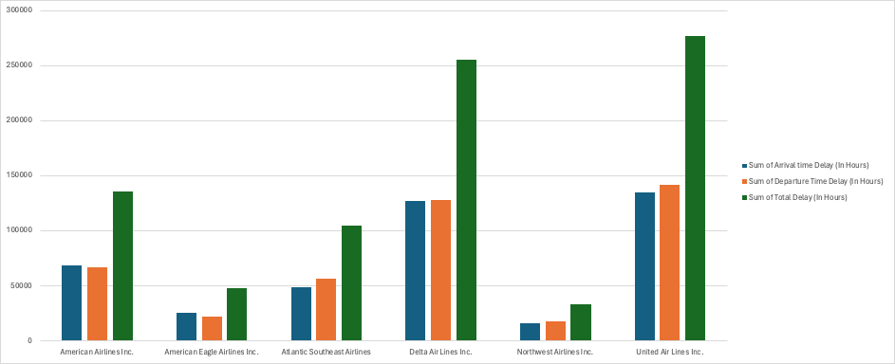
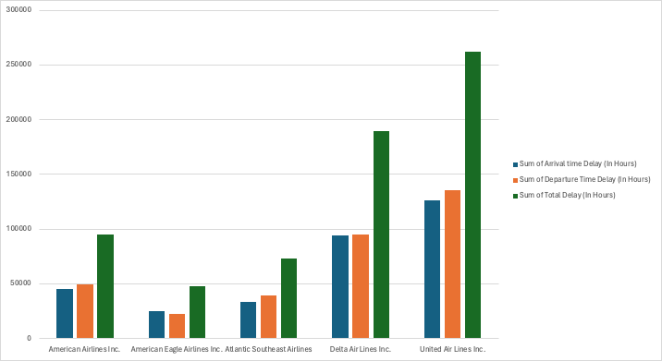
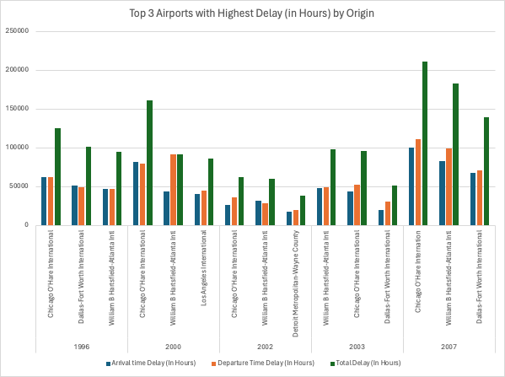
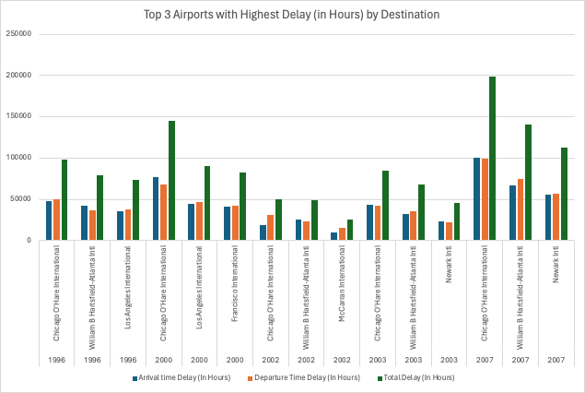

Total Delay by Carriers from origin airport (all years) | Total Delay by Carriers from destination airport (all years)

